Map (2)
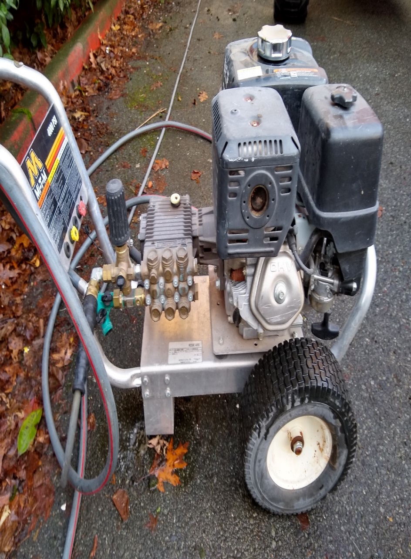
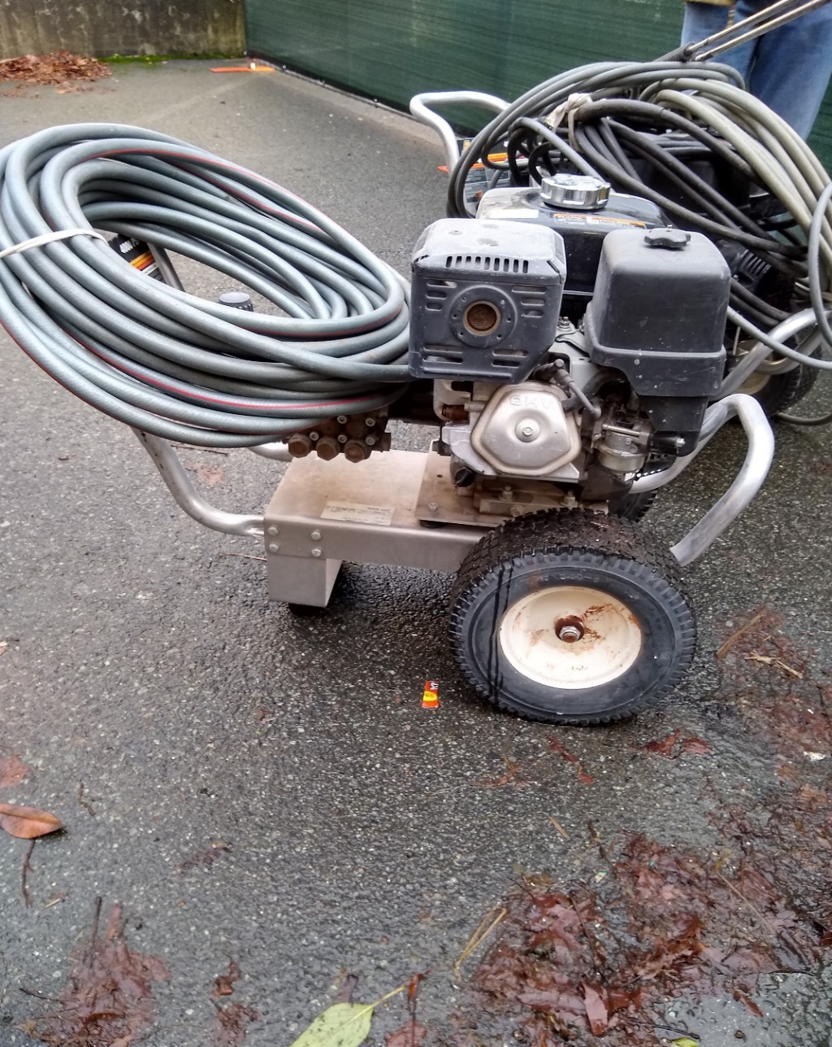

 |  | 1

Survey No | INIS-010320-887
Date | 2020-01-03
Survey Tech | E. Carter/M. Pries
Count Room Tech | P Ray
Date Counted | 2020-01-03
Survey Type | Incoming
Level of Posting | None
Comments

